Instructions
Instructions:
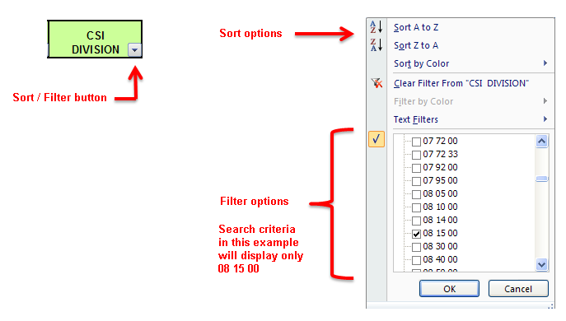

 | Go to conversion chart >>

